C50 Tips
CoC Standards 2020 v2.2024
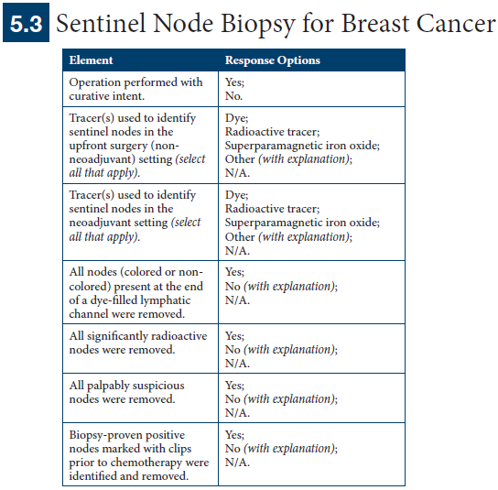
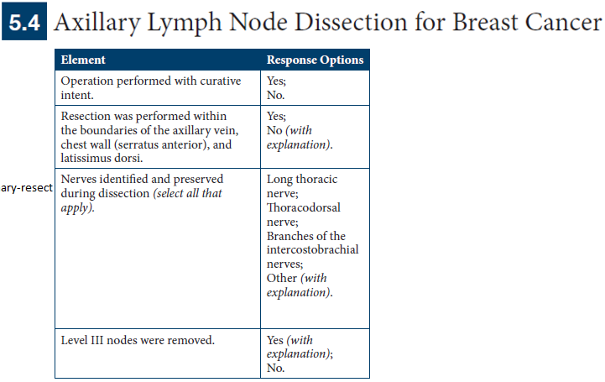

CSSP Toolkit: https://www.facs.org/quality-programs/cancer-programs/cancer-surgery-standards-program/cssp-operative-standards-toolkit/
CSSP Toolkit, FAQ Document: https://accreditation.facs.org/accreditationdocuments/CoC/Resources/FAQs/CoCOperativeStandardsFAQs.pdf
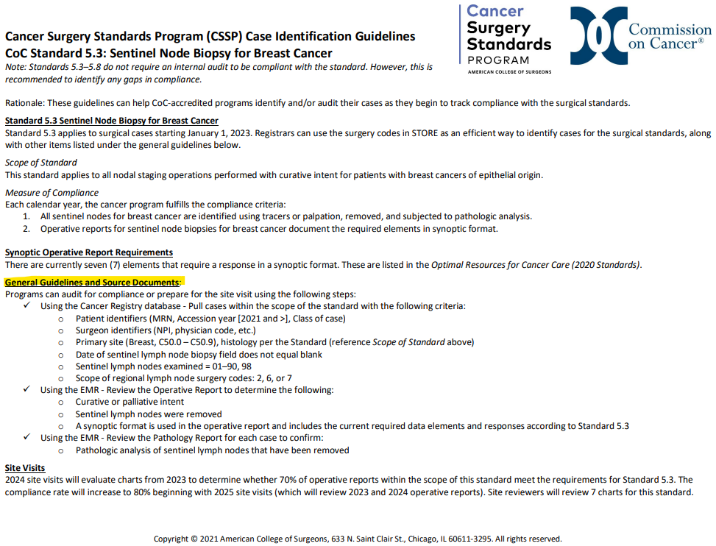
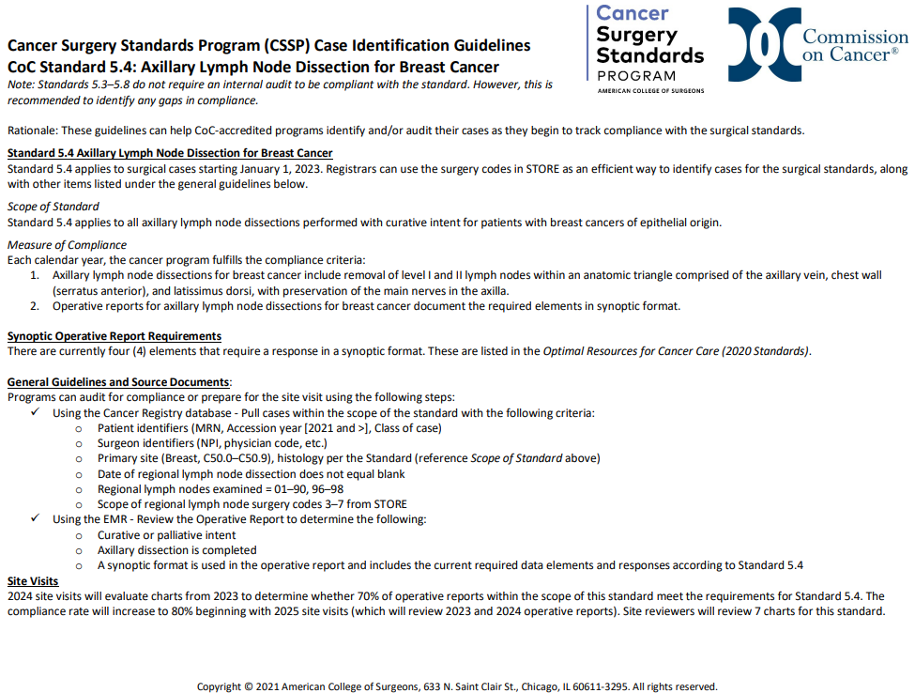

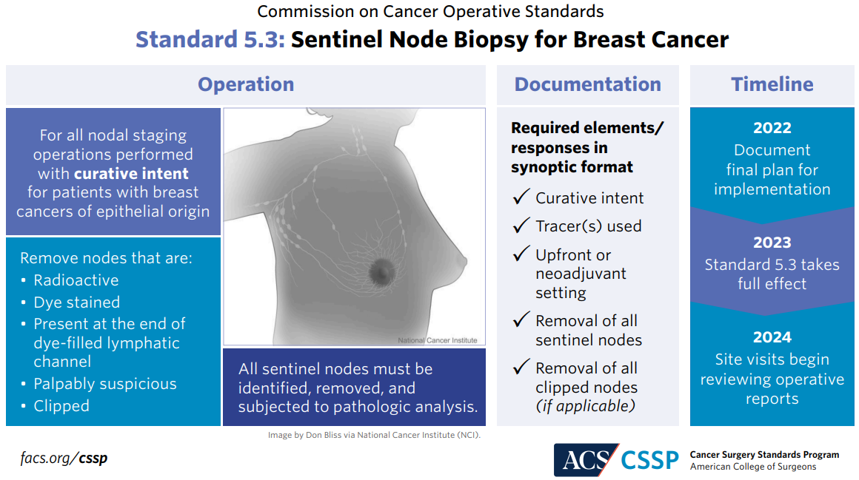
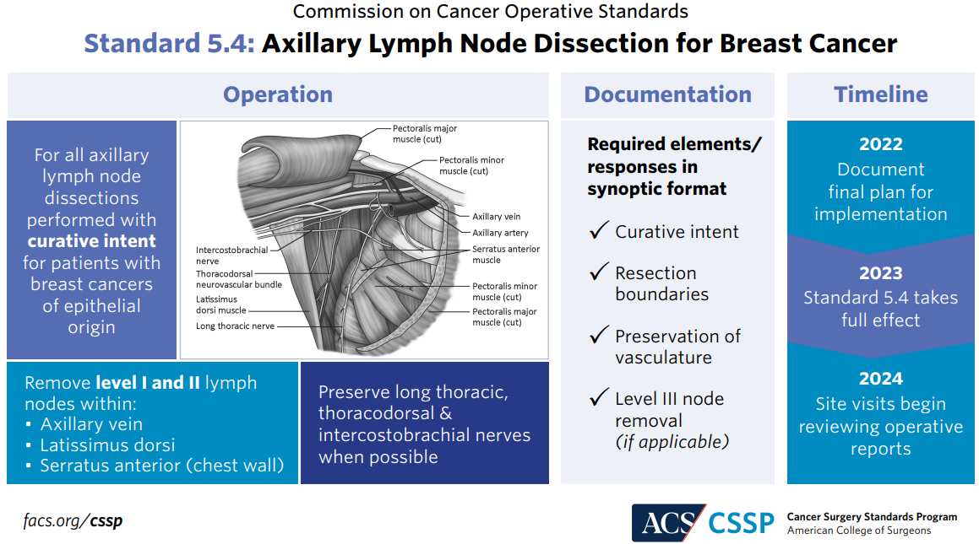

CANswer Forum Responses

 | Curative vs Palliative (non-curative) Intent: https://cancerbulletin.facs.org/forums/forum/commission-on-cancer-coc-2020-standards/chapter-5-patient-care-expectations-and-protocols/standard-5-8-pulmonary-resection/137565-curative-vs-non-curative-procedure

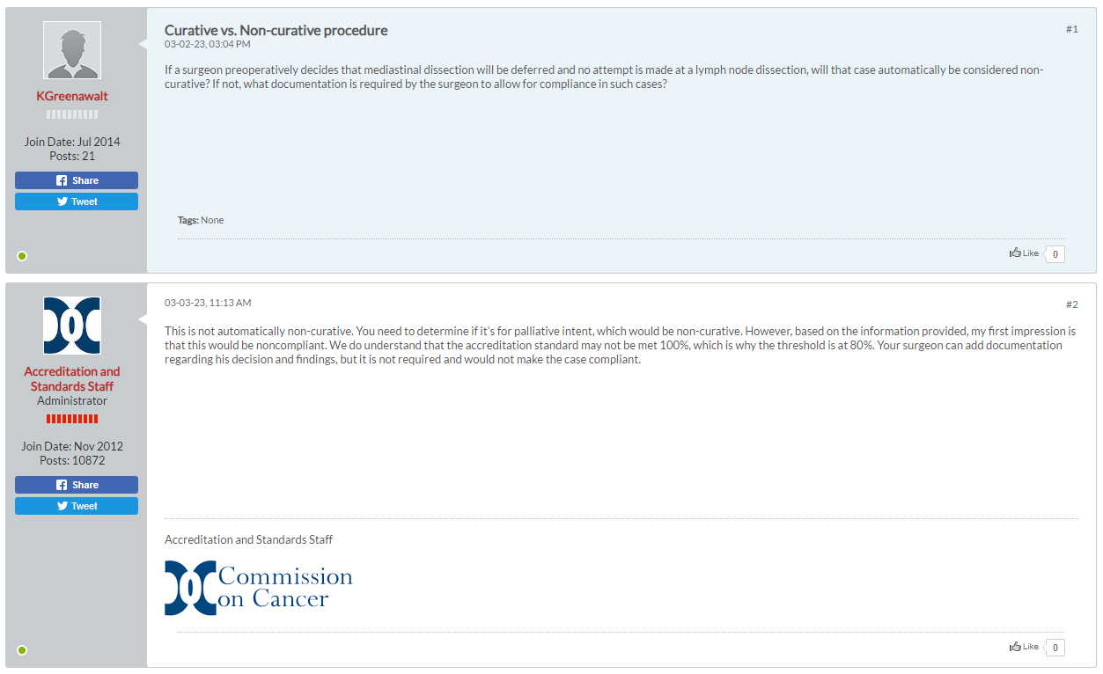

Other Notes
 | Epithelial origin = cancer of internal or external lining of the body. Carcinomas/AdenoCA, malignancies of epithelial tissue, account for 80-90% of all cancer cases. More on epithelial origin CA/AdenoCA: https://training.seer.cancer.gov/disease/categories/classification.html#:~:text=Carcinoma%20refers%20to%20a%20malignant,is%20found%20throughout%20the%20body and also https://www.news-medical.net/health/Cancer-Classification.aspx

 | If a patient has both SLNB and ALND performed then the report needs to have synoptic operative report available for each procedure

C44 Tips
CoC Standards 2020 v2.2024
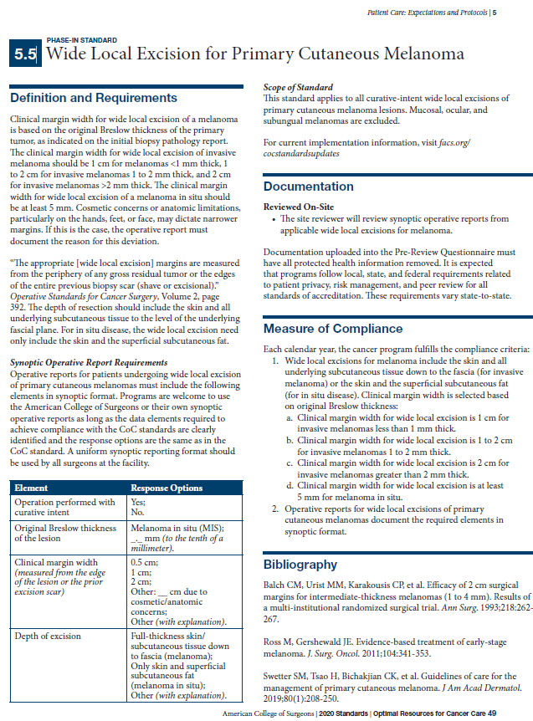

CSSP Toolkit: https://www.facs.org/quality-programs/cancer-programs/cancer-surgery-standards-program/cssp-operative-standards-toolkit/
CSSP Toolkit, FAQ Document: https://accreditation.facs.org/accreditationdocuments/CoC/Resources/FAQs/CoCOperativeStandardsFAQs.pdf
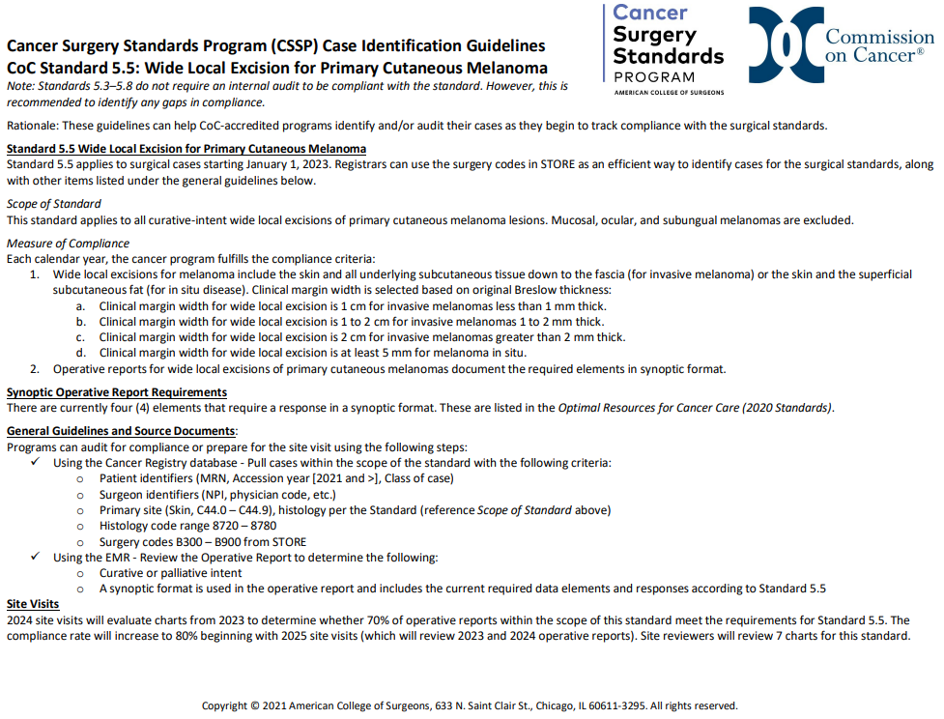

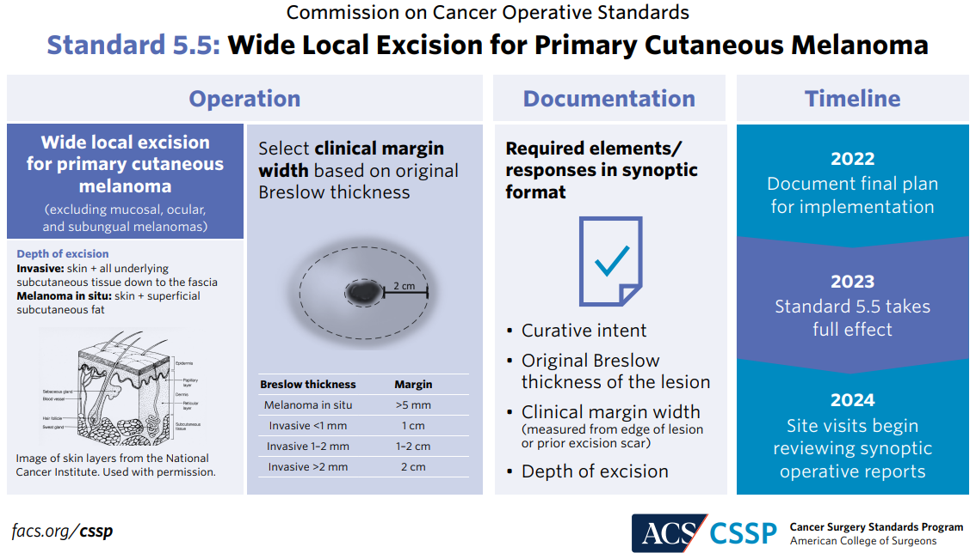

CANswer Forum Responses
 | [Link here]

Other Notes

C18 Tips
CoC Standards 2020 v2.2024
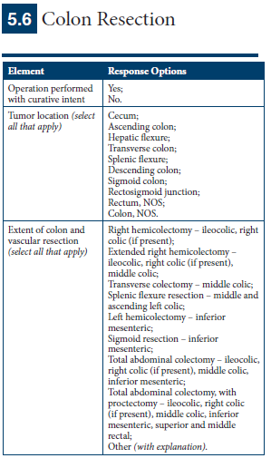

CSSP Toolkit: https://www.facs.org/quality-programs/cancer-programs/cancer-surgery-standards-program/cssp-operative-standards-toolkit/
CSSP Toolkit, FAQ Document: https://accreditation.facs.org/accreditationdocuments/CoC/Resources/FAQs/CoCOperativeStandardsFAQs.pdf
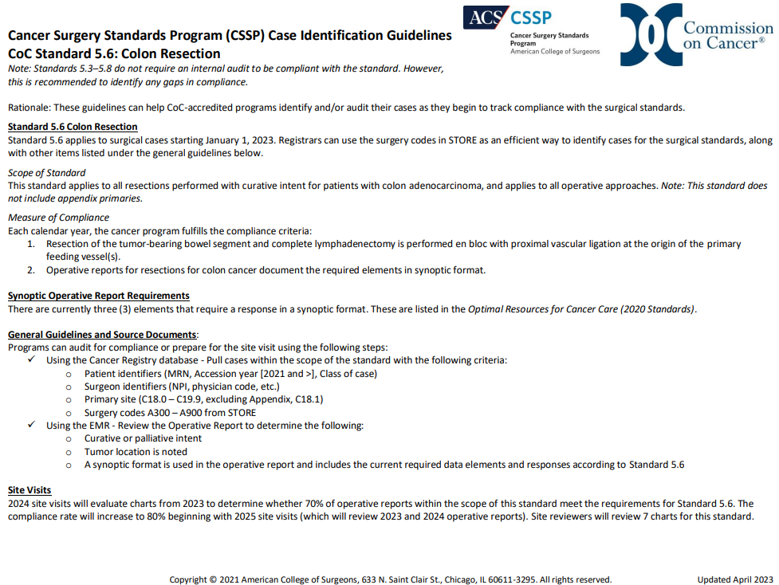

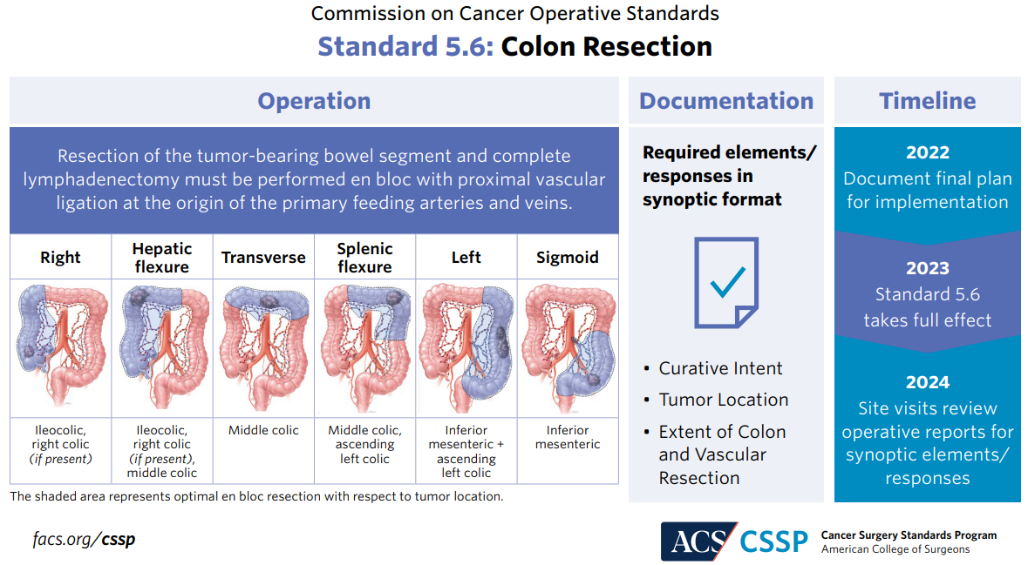

CANswer Forum Responses
 | https://cancerbulletin.facs.org/forums/forum/commission-on-cancer-coc-2020-standards/chapter-5-patient-care-expectations-and-protocols/standard-5-6-colon-resection/140488-neg-biopsy-diagnosis-of-cancer-at-the-time-of-surgery-op-note-items-required

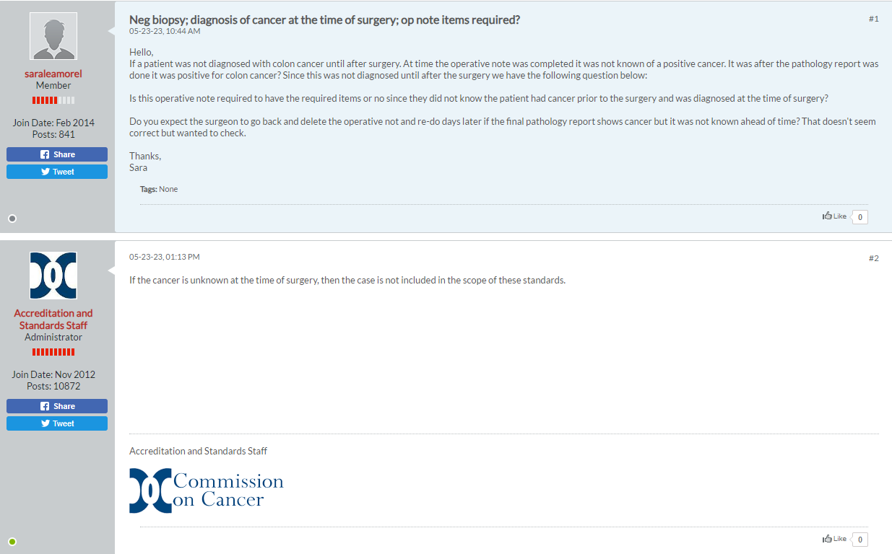

Other Notes

Please note: It may be helpful to review the SEER colon surgery training module that details the each type of surgery for the colon.
Types of Surgery: Colon is available here: https://training.seer.cancer.gov/colorectal/treatment/colon.html

C20 Tips
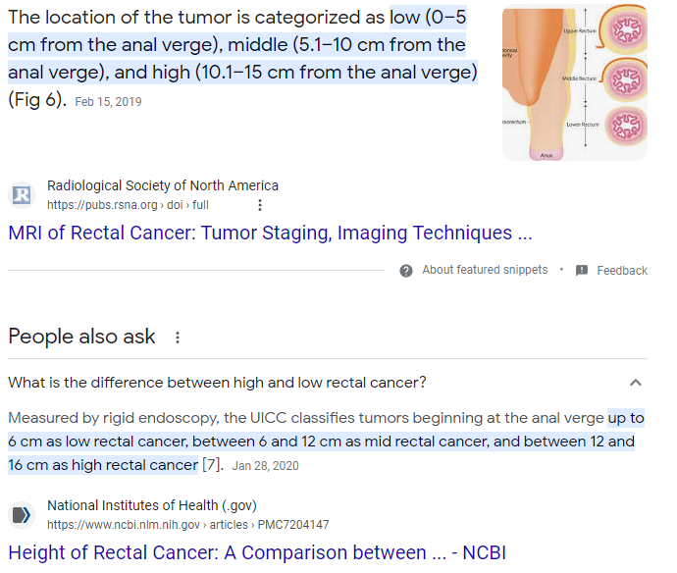
CoC Standards 2020 v2.2024
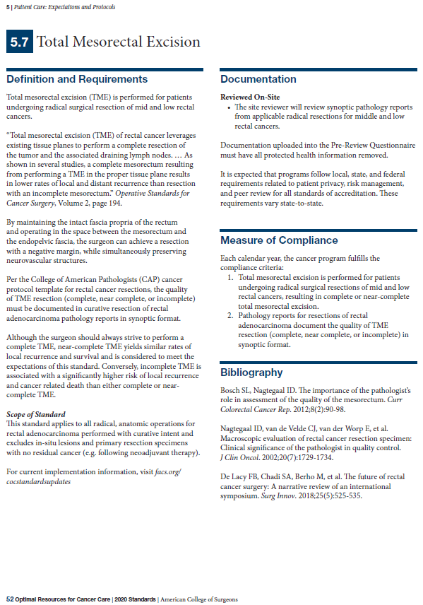

CSSP Toolkit: https://www.facs.org/quality-programs/cancer-programs/cancer-surgery-standards-program/cssp-operative-standards-toolkit/
CSSP Toolkit, FAQ Document: https://accreditation.facs.org/accreditationdocuments/CoC/Resources/FAQs/CoCOperativeStandardsFAQs.pdf
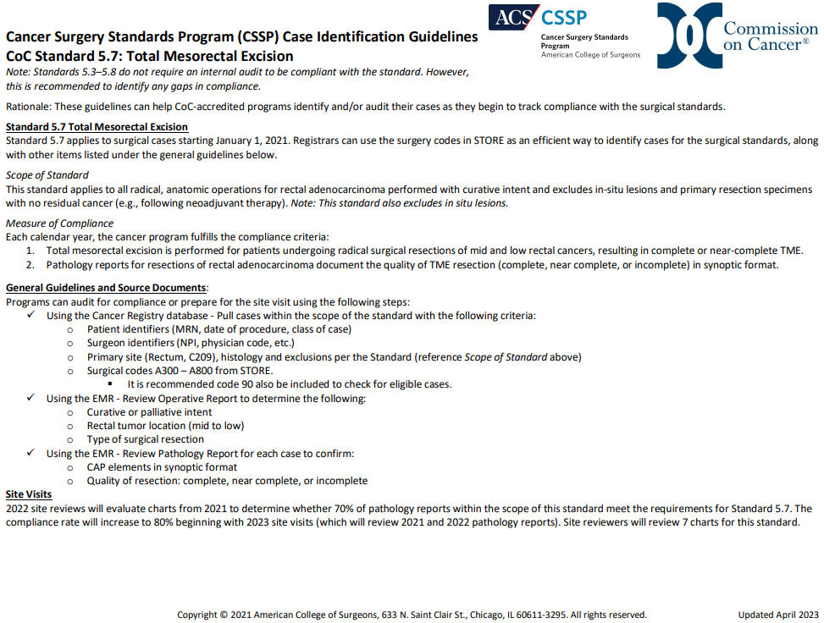

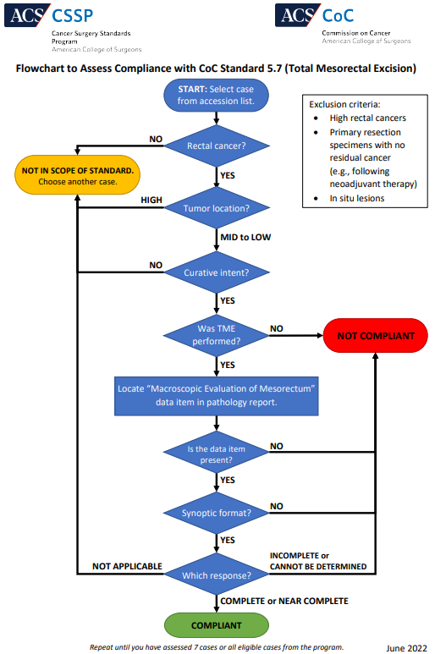

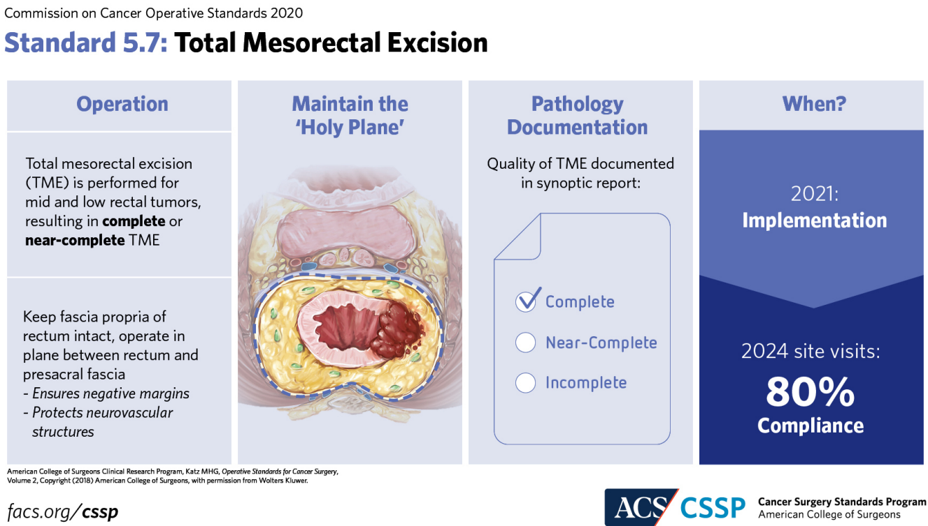

CANswer Forum Responses

Other Notes

C34 Tips
CoC Standards 2020 v2.2024
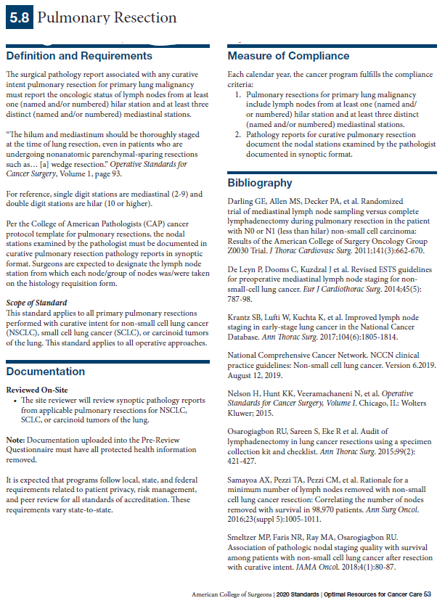

CSSP Toolkit: https://www.facs.org/quality-programs/cancer-programs/cancer-surgery-standards-program/cssp-operative-standards-toolkit/
CSSP Toolkit, FAQ Document: https://accreditation.facs.org/accreditationdocuments/CoC/Resources/FAQs/CoCOperativeStandardsFAQs.pdf
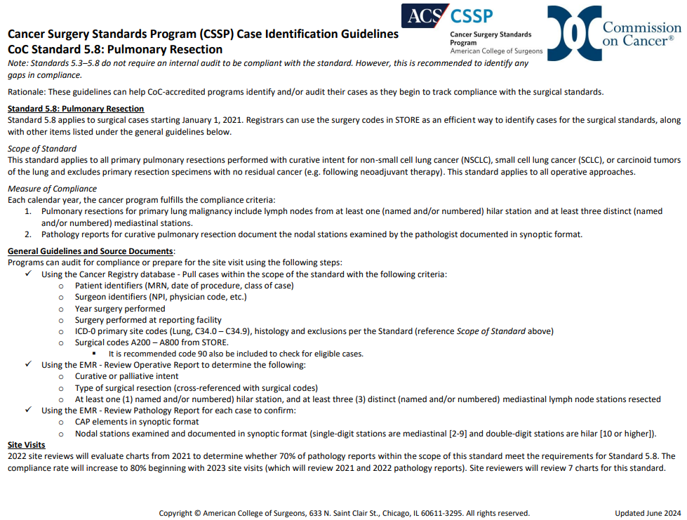

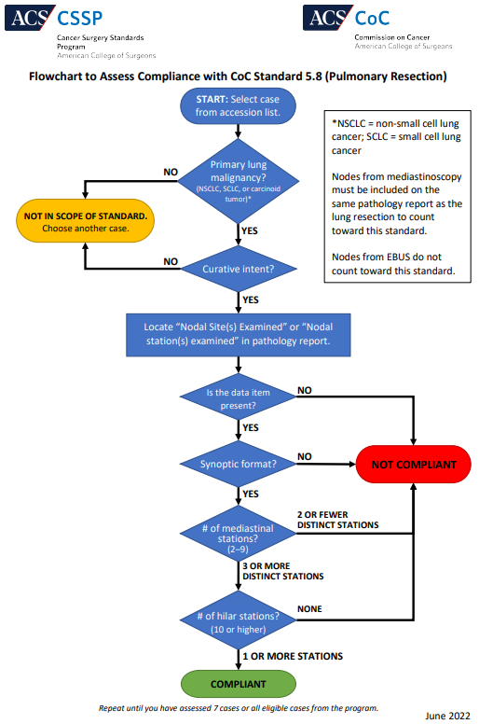

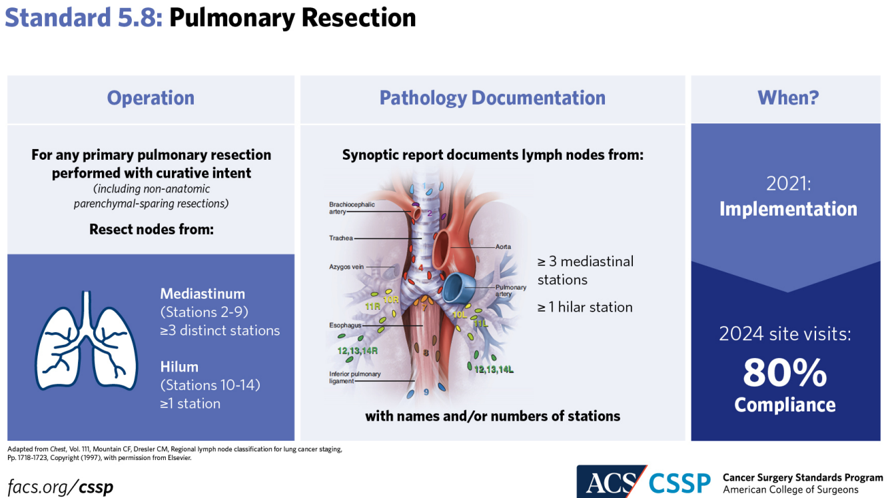

CANswer Forum Responses
Curative vs Palliative (non-curative) Intent: https://cancerbulletin.facs.org/forums/forum/commission-on-cancer-coc-2020-standards/chapter-5-patient-care-expectations-and-protocols/standard-5-8-pulmonary-resection/137565-curative-vs-non-curative-procedure
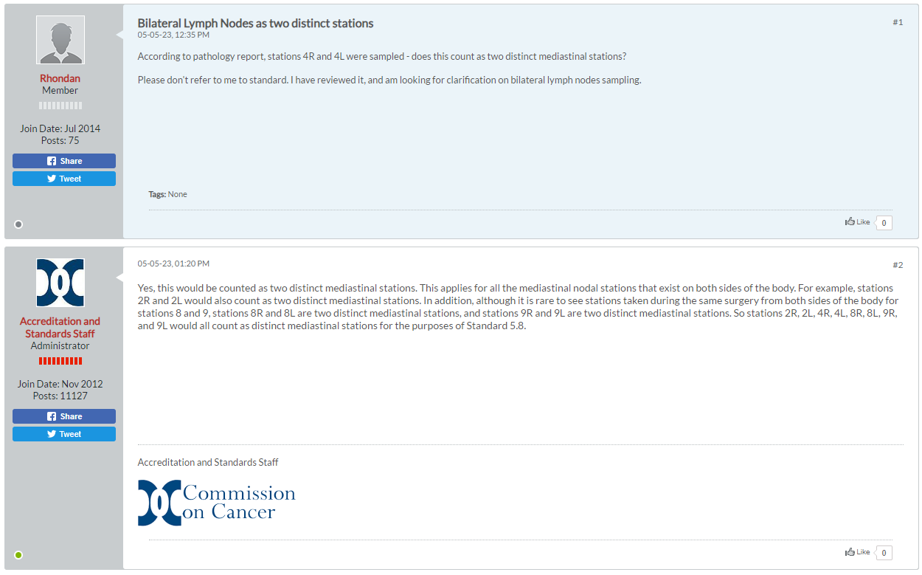

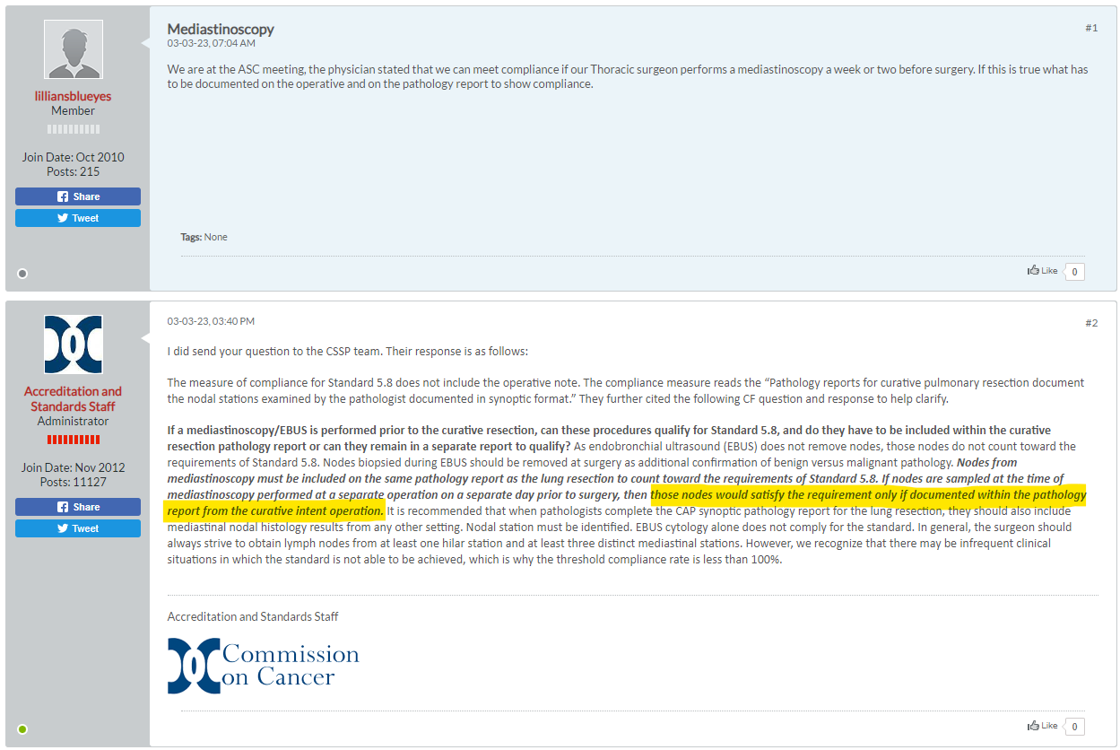

EBUS = needle into node, not removal, does not count
Mediastinoscopy = node removal, this counts

Other Notes
Figure 3: Histology Classification of Lung Cancer from "Mind-mapping for lung cancer: Towards a personalized therapeutics approach" provides photo examples.
Mollberg N, Surati M, Demchuk C, et al. Mind-mapping for lung cancer: Towards a personalized therapeutics approach. Advances in Therapy. 2011;28(3):173-194. doi:https://doi.org/10.1007/s12325-010-0103-9

